Sheet1
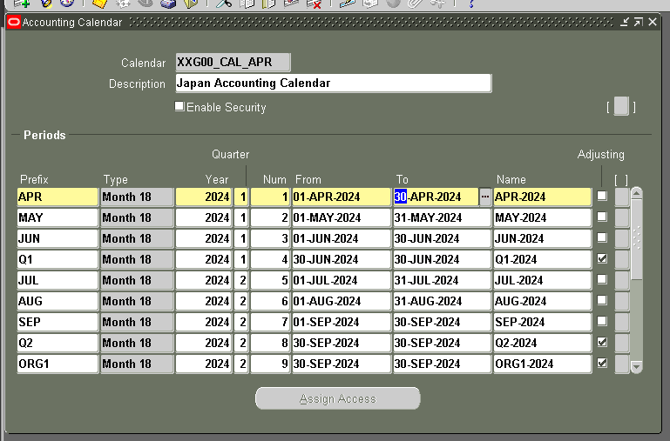
 | NAVIGATION
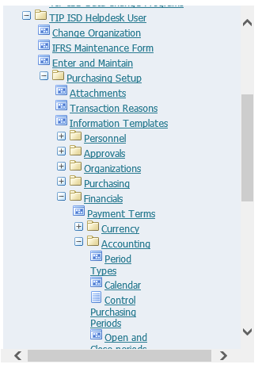

SEARCH THE XXG00_CAL_APR
USING THE F11

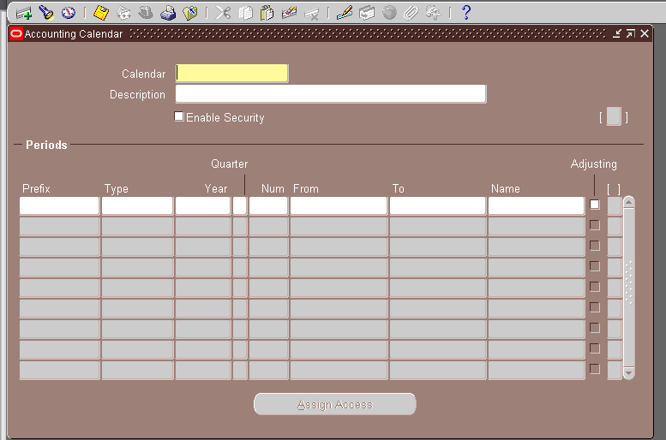

IT SHOULD BE LIKE THIS
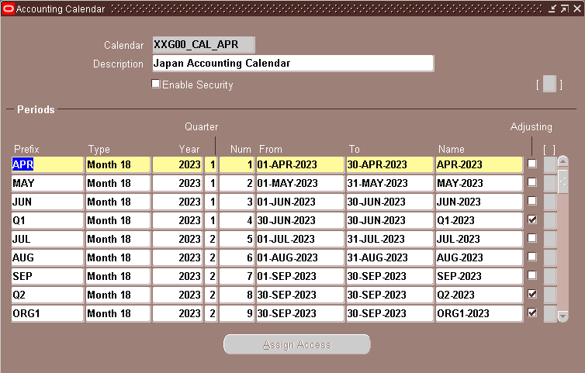

ADD LINE USING THIS ICON

AFTER ADDING THE NEW CALENDAR, TAKE A SCREENSHOT OF THE NEW CALENDAR.
LIKE THIS:

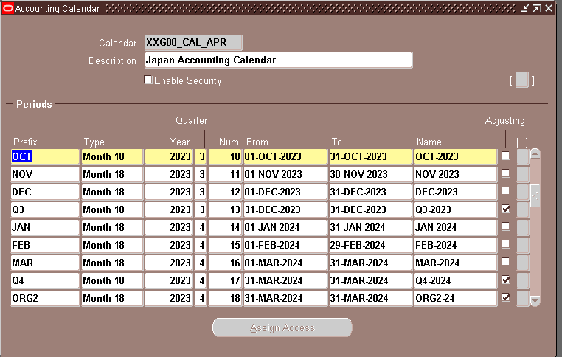

 | THEN SAVE.

 |  | AFTER YOU CLICK THE CLOSE BUTTON, DON'T FORGET TO TAKE A SCREENSHOT LIKE THIS.

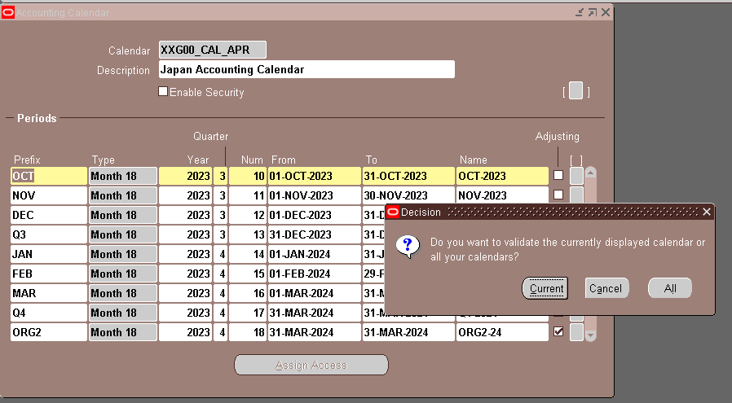

CLICK THE "ALL"

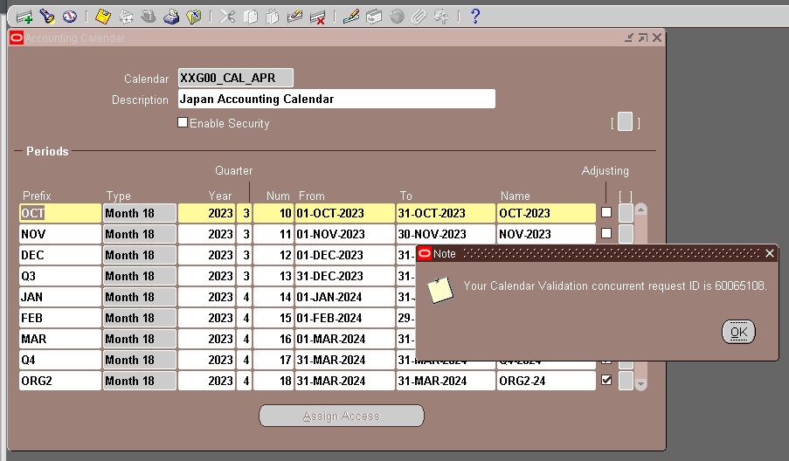

CLICK THE VIEW BUTTON

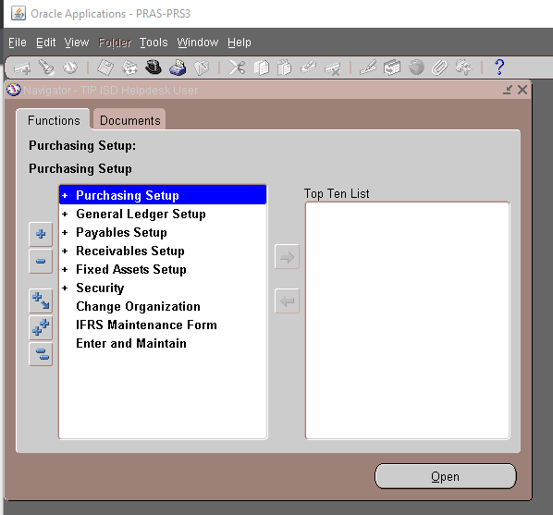

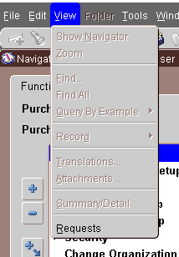

CLICK THE "REQUEST"

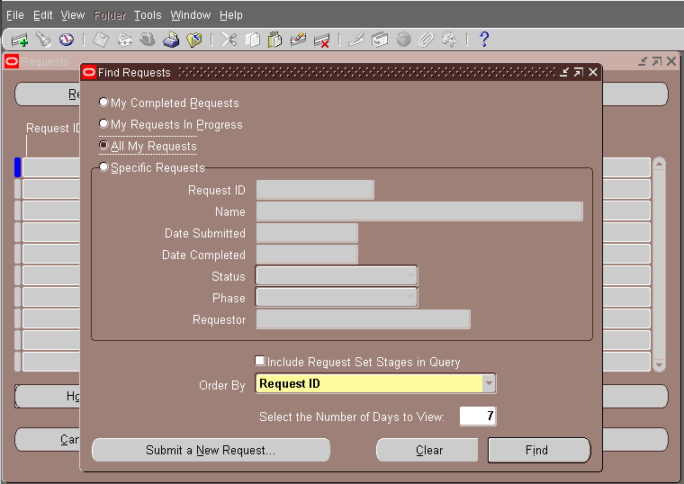

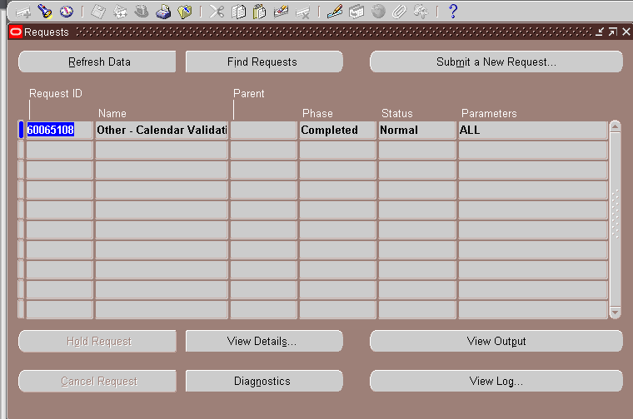

CLICK "VIEW DETAILS"

 | THEN TAKE A SCREENSHOT OF THE DETAILS LIKE THIS

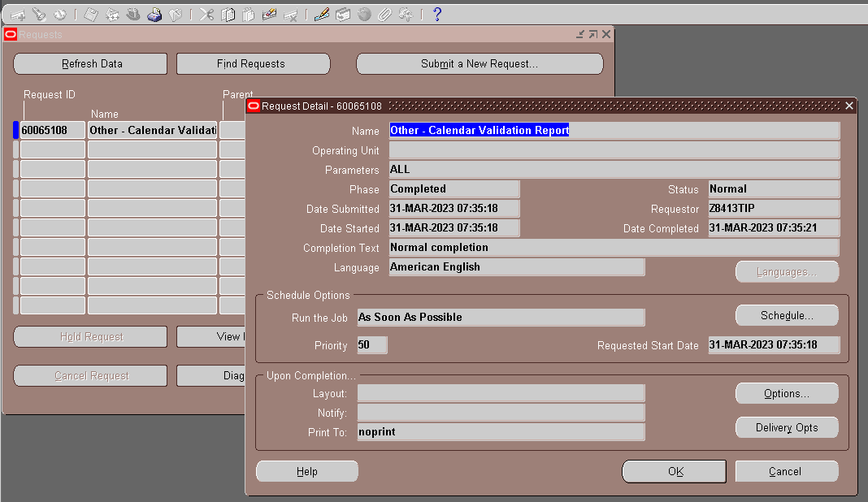

 | END

 |  |  | IF mistake happened just go back to the forms and edit the mistake
 |  |  | Ex. Initial input is 29-APR-2024

